YCF50E
BIKE CODE FOR ORDERS: 23-W-50E-STD |  | 2023-01-01 | BIKE DESCRIPTION NAME: YCF 50E 2023

50A = YCF50A
50E = YCF50E
W88E = START W88E
L88 = LITE88 L125 = LITE125
S88S = START F88S
S125S = START F125S
S125SE = START F125SE
S125 = STARTF125
P88 = PILOT 88
P125 = PILOT 125
P150 = PILOT 150
SM125 = START SM125S
SM150 = PILOT SM 150
SP1 = FACTORY SP1
SP2 = FACTORY SP2
SP3 = FACTORY SP3
B125 = BIGY 125MX
B150 = BIGY 150MX
BF150 = BIGY F150MX
BFD190 = BIGY FD190 MX
BFZ190 = BIGY ZE190 MX
S147 = SUNDAY 150
S187 = SUNDAY 190
Handle bar assembly
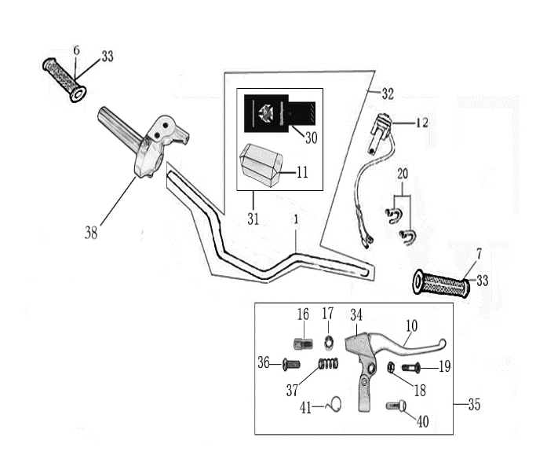
N° | Ref. | Description | Français | Picture | Qty/Bike | MODEL
32 | YC110-0132-06 | Handle Bar chromoly (with bar pad and pvc) YCF50 | Guidon chromoly complet avec mousse et pvc YCF50 |  | 1 | 50A22/50E22
31 | YC50-0129 | Complete Bar Pad for Handlebar without Bar L=126mm YCF50BLACK/WHITE | Mousse guidon complete pour guidon Aluminium sans Barre YCF50 L=126mm NOIR |  | 1 | 50A1822/50E1822
 | YC110-0153-01 | Handle bar plastic cap | Embout plastique de guidon |  | 1 | ALL BIKES 22
38 | YC50-0138-01 | Throttle Assy YCF50E L=470mm | Poigne Acceleration YCF50E avec temoin batterie L=470 mm |  | 1 | 50E1622
33 | PPC011-GY | YCF set of grip GREY 2020 | Paire de poignée caoutchouc YCF GRISE 2020 |  | 1 | ALL BIKES 22
12 | YC110-0104-04 | Kill Switch ON/OFF L=580mm | Coupe Circuit（allumage/ etinction lampes） |  | 1 | YCF50E22
22 | YC110-01-03-BK | Cable tie L=150mm BLACK | colier maintien cable L=150mm NOIR |  | 1 | ALL BIKES 1222

Steering stem assembly
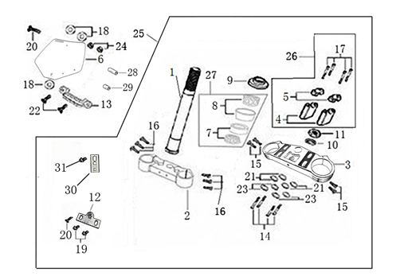
N° | Ref. | Description | Français | Picture | Qty/Bike | MODEL
25 | YC50-0227-03-GY | Complete Triple Clamp YCF50 135mm 2020 GREY | Te Fourche Complet YCF50 135mm 2020 GRIS |  | 1 | 50A22/50E22
1 | YC50-0200-02 | Steering stem L=195mm | tige colonne direction L=195mm |  | 1 | 50A22/50E22/L8822/L12522
2 | YC50-0202-06-GY | Lower triple clamp YCF50 L=135mm d35mm H=18mm 2020 GREY | té fourche inferieur YCF50 d35mm H=18mm L=135mm GRIS 2020 |  | 1 | 50A22/50E22
3 | YC50-0201-06-GY | Top Triple Clamp YCF50 L=135mm d35 H=15mm 2022 GREY | té fourche supérieur YCF50 L=135mm d35 H=15mm 2022 GRIS |  | 1 | 50A22/50E22
26 | YC50-0228-01 | YCF50 Set of Bar mount not adjustable d22.2mm/bottom H=51.5mm(with BT08-M8x25-W 4EA GB70-M10x25x1.5W 2EA) 2020 | Jeu pontet guidon YCF50 non ajustable d22.2mm / pontet bas H=51.5mm (avec BT08-M8x25-W 4EA GB70-M10x25x1.5W 2EA)2020 |  | 1 | 50A2022/50E2022
4 | YC50-0203-03 | YCF50 Lower Bar Mount CNC 2020 H=36mm d22.2mmBLACK | Pontet guidon inférieur YCF50 2020 H=36mm d22.2mm NOIR |  | 2 | 50A2022/50E2022
5 | YC110-0221-02 | 2022 Top Bar Mout CNC d22.2 mm/height H=18mm START Type BLACK | pontet guidon supérieur 2022 d22.2mm H=18mm Type START NOIR |  | 2 | 50A22/50E22/W88E22/L8822/L12522/S88SE22/S12522/S125SE22/P12522/P15022/SM12522/SM15022/SP2/B12522/B15022/BFZ19022
16 | BT08-M6x25-W | HEXAGON Torx screw with Flange M6x25mm | Vis HEXAGONALE Torx avec Flange M6x25mm |  | 4 | ALL BIKES 22
17 | BT08-M8x25-W | HEXAGON Torx screw with Flange M8x25mm | Vis HEXAGONALE Torx avec Flange M8x25mm |  | 4 | 50A22/50E22
14 | GB70-M10x25x1.5W | HEXAGON SOCKET Head Bolt with half thread M10x25mmx1.5mm | Vis Allen (BTR) avec deport M10x25mmx1.5mm |  | 2 | 50A22/50E22
6 | YC50-0212-04-BK | YCF50 Front Number Plate BLACK 2020 | Plaque avant YCF50 NOIR 2020 |  | 1 | 50A21/50E21
18 | FB13-7x10x22-W | Front Number plate spacer (Top) d7mmxd10mmx22mm | entretoise Plaque numero avant (Haut) d7mmxd10mmx22mm |  | 1 | 50A1222/50E1622
31 | BT08-M6x35-W | HEXAGON Torx screw with Flange M6x35mm | Vis HEXAGONALE Torx avec Flange M6x35mm |  | 1 | ALL BIKES 2022
 | GB97-d6-W | flat washer d6mm | rondelle d6mm |  | 1 | ALL BIKES 2212-2022
27 | KRDIRECTION46 | set of bearing for steering 46/23.5、46/22 | Kit rlt colonne direction 46/23.5、46/22 |  | 1 | 50A22/50E22/W88E22/S88SE22/L8822/L12522/125S1522/S125SE1522/P1251322/P1501322/SM1251322/SM1501322/SP12022/SP20222/SP32022/B1251722/B1501722/BF1501722/BFD1901722/BFZ1901722/S1471822/S1871822
9 | YC110-02-09 | Top nut for steering d54.5mm | écrou crantellé colonne direction d54.5mm |  | 1 | ALL BIKES 1222
10 | YC110-02-10 | Washer for steering stem nut d22.5mmxd37mmx0.7mm | joint colonne direction d22.5mmxd37mmx0.7mm |  | 2 | ALL BIKES 1222
11 | YC110-02-11 | Nut for steering stem M22 | écrou supérieur colnne direction M22 |  | 1 | ALL BIKES 1222
13 | YC110-0224-01-WH | Complete Break Line Retainer White（with GB9074.5-M4x10-W 1EA ） | guide durite sur plaque avant complet Blanc |  | 1 | 50A22/50E22/W88E22/S88SE22/L8822/L1251622/S125SE1522/P1251422/P1501422/SM1251422/SM1501422/SP12122/SP22122/SP32122/B1251722/B1501722/BF1501719/BFD1901722/BFZ1901722
 | YC110-0213-12 | Front plastic plate to hold cables 75mmx80mm | Plaque avant plastique maintien cables 75mmx80mm |  | 1 | ALL BIKES22
30 | YC110-0213-0401 | Number plate bracket long TOP BLACK 2020 | Support plaque avant NOIR 2020 |  | 1 | 50A22/50E22
22 | GBT5787-M6x16-3 | HEXAGON screw with Flange with half thread M6x16mmx3mm | Vis HEXAGONALE avec Flange et deport M6x16mmx3mm |  | 1 | ALL BIKES 22
 | YC110-01-08-BK | Cable tie ADJUSTABLE BLACK | Collier maintien cable AJUSTABLE NOIR |  | 2 | ALL BIKES 22
 | YC110-02-20 | Washer for steering stem nut d20mm (top)/d24mm (bottom)-d47mm | Joint pour colonne direction d20mm (haut)/d24mm (bas) -d47mm |  |  | S1251422/S125S1422/S125SE1422/P1251422/P1501422/SM1251422/SM1501422/SP11422/SP22422/SP31422/B1251722/B1501722/BF1501722/BFD1901722/BFZ1901822/S1471822/S1871822/S88SE22

Front Fender

N° | Ref. | Description | Français | Picture | Qty/Bike | MODEL
1 | YC50-031-01-RD | Front Fender YCF50 2020 Red | Gb avant YCF50 2020 Rouge |  | 1 | 50A21/50E21/L8821
3 | GBT5787-M6x16-6 | Hex. Bolt with flanged M6x16mm (spacer 6mm) | vis M6x16mm (deport 6mm) |  | 3 | 50A22/50E22/W88E1822/S88SE1822/L8822/L12522/S12522/S125SE1822/P1251822/P1501822/SM1251822/SM1501822/SP21822/SP31822/B1251822/B1501822/BF1501719/BFD19017822/BFZ1901822
4 | GBT5787-M6x16-3 | HEXAGON screw with Flange with half thread M6x16mmx3mm | Vis HEXAGONALE avec Flange et deport M6x16mmx3mm |  | 2 | 50A22/50E22/W88E1822/S88SE1822/L8822/L12522/S12522/S125SE1822/P1251822/P1501822/SM1251822/SM1501822/SP22822/SP31822/B1251822/B1501822/BF1501719/BFD19017822/BFZ1901822

Front & Rear absorber

N° | Ref. | Description | Français | Picture | Qty/Bike | MODEL
24 | YC50-0400-03 | YCF50 Pair of fork L=530mm d35 (not adjustable) MAGNESIUM | Jeu de fourche YCF50 (non ajustable) L=530mm d35 MAGNESIUM |  | 1 | 50A1422/50E1622
1 | YC50-0401-04 | Front right fork L=530mm (not adjustable) MAGNESIUM | tube fourche droit (non ajustable)L=530mm MAGNESIUM |  | 1 | 50A1322/50E1622
2 | YC50-0402-04 | Front left fork L=530mm (not adjustable) MAGNESIUM | tube fourche gauche (non ajustable) L=530mm MAGNESIUM |  | 1 | 50A1322/50E1622
4 | YC50-0404-03 | YCF50 Shock absorber L=200mm YELLOW | Amortisseur YCF50 L=200mm JAUNE |  | 1 | 50A1422/50E1622
16 | YC50-0410-02 | shock top spacer 50CC d10mmxd22mmx22.5mm | Silent Block haut amortisseur 50CC d10mmxd22mmx22.5mm |  | 1 | 50A1222/50E1622
16 | YC50-0411-03 | shock absorber bottom spacer 50CC d10mmxd20mmxd26x11mm | Entretoise basse amortisseur YCF50 d10mmxd20mmxd26mmx11mm |  | 2 | 50A1222/50E1622
8 | GB5787-M10x45 | HEXAGON screw with Flange M10x45mm | Vis HEXAGONALE avec Flange M10x45mm |  | 2 | 50A1222/50E1622
10 | GB6187-M10-W | HEXAGON FLAT FLANGE LOCK NUT M10 | Ecrou HEXAGONAL avec Flange autobloquant M10 |  | 2 | 50A1222/50E1622
18 | YC50-0418-02-WH | YCF50 set of fork protection WHITE | Jeu protection fourche YCF50 BLANC |  | 1 | 50A1422/50E1622
12 | GB70.2-M5x10 | Pan head hexagon screw M5x10mm | Vis à tête ronde Allen (BTR) M5x10mm |  | 4 | 50A1222/50E1622
 | GB97-d5-W | flat washer d5mmxd10mmx1mm | rondelle d5mmxd10mmx1mm |  | 4 | 50A1222/50E1622
 | YC110-0403-05 | Complete Oil steel line retainer on left front fork | Passe durite complet sur protection fourche gauche |  | 1 | W88E22/F88L22/F88se22/F125L22/F125se22/F125s22/P1251622/P1501622/SP1622/SP222/SP322/SM1502122/BIGY2122

Front Brake Assy

N° | Ref. | Description | Français | Picture | Qty/Bike | MODEL
11 | YC50-0511-03 | Front brake assy L=830mm YCF50A / 50E without asbestos d8mm/d8mm （right side）2020 | Kit frein avant L=830mm YCF50A / 50E sans amiante d8mm/d8mm (côté droit) 2020 |  | 1 | 50A22/50E22
12 | BT08-M6x30-W | HEXAGON Torx screw with Flange M6x30mm | Vis HEXAGONALE Torx avec Flange M6x30mm |  | 2 | ALL BIKES 22
1 | YC50-0501-0101 | Front brake reservoir YCF50A / 50E (right side) 2020 | Maitre cylindre frein avant YCF50A / 50E guidon (côté droit) 2020 |  | 1 | 50A22/50E22
2 | YC50-0502-0101 | Front Brake caliper YCF50A/50E single pump d8mm | Etrier frein avant YCF50A/50E simple pistons d8mm |  | 1 | 50A22/50E22
3 | YC50-0503-05 | Front Brake lever YCF50A / 50E（right side）2020 | Levier frein avant pour YCF50A / 50E (côté droit) 2020 |  | 1 | 50A1622/50E1622
4 | YC50-0504-06 | Front brake oil steel line YCF50a / 50e L=830mm A 2020 | Durite frein avant L=830mm YCF50A/50E 2020 |  | 1 | 50A22/50E22
6 | YC50-0506-02 | YCF50 Front / Rear Brake pads 2020 | Jeu plaquette avant / arriere YCF50 2020 |  | 2 | 50A22/50E22
7 | GB70-M5x16 | HEXAGON SOCKET Head Bolt with half thread M5x16mm | Vis Allen (BTR) avec deport M5x16mm |  | 2 | ALL BIKES 1222
8 | GB8752-M6x28-G | Hex head screw M6x28mm with step d8mmx14mm | Vis M6x28 M6x28mm avec epaulement d8mmx14mm |  | 1 | ALL BIKES 1222
...
N° | Ref. | Description | Français | Picture | Qty/Bike | MODEL
10 | YC50-06-051 | Left wheel spacer d12mmxd22mmx26mm | entretoise roue avant gauche d12mmxd22mmx26mm |  | 1 | 50A1222/50E1622
11 | YC110-11-02 | tire lining 10" | fond jante 10' |  | 1 | 50A1222/50E1622/L881722
12 | YC50-06-01 | YCF50 Front Axle 170mm with Self-locking nut d12mm | Axe de roue avant d12mm L=170mm YCF50 |  | 1 | 50A1222/50E1622
15 | GB6187-M12-W | HEXAGON FLAT FLANGE LOCK NUT M12 | Ecrou HEXAGONAL avec Flange autobloquant M12 |  | 1 | 50A1222/50E1622
13 | YC50-0513-01 | Brake disk front/rear d160 mm | Disque frein avant/arriere d160mm |  | 1 | 50A1222/50E1622
14 | GB70.2-M6x16 | Pan head hexagon screw M6x16mm | Vis à tête ronde Allen (BTR) M6x16mm |  | 4 | 50A1222/50E1622
17 | YC50-0617-01 | STEEL Rim for Front wheel 1.4x10' Black | cerceau roue av 1,4x10' ACIER Noir |  | 1 | 50A1222/50E1622/L881722
 | JR10-10.6 | set of spoke 10' 50cc(104mmx8+106mmx16+111mmx8) | JEUX RAYON AV 10' 50cc (104mmx8+106mmx16+111mmx8) |  | 1 | 50A1622/50E1722

Fuel Tank
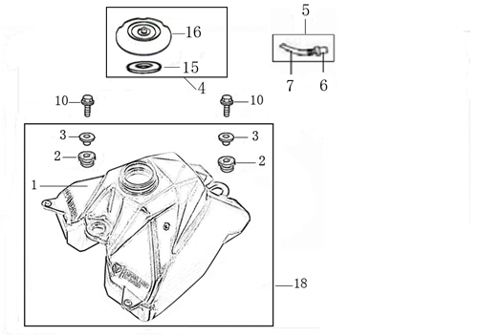
N° | Ref. | Description | Français | Picture | Qty/Bike | MODEL
 | YC50-07012-02 | YCF50E Complete fuel tank WITH HOLES(with YC110-07-01 2EA+YC110-07-02 2EA) | Reservoir complet YCF50E 2023 AVEC TROU |  | 1 | 50E23
 | DIN916-M5x6 | Screw M5x6mm for clutch lever 2020 | Vis sans tete M5x6mm pour Levier embrayage 2020 |  | 2 | S12521/P12521/P15021/SM15021/SP221/SP321/B12521/B15021/BFD19020/BFZ19020/S14721/S18720
16 | YC110-0702-01 | YCF Tank cap plastic Ventilator d3mm | Bouchon reservoir plastique YCFd3mm |  | 1 | ALL BIKES 1322
15 | YC110-0722-02 | Rubber mat for tank cap plastic d14mmxd52mmx2mm Oil proof | Caoutchouc bouchon reservoir YCF d14mmxd52mmx2mm |  | 1 | ALL BIKES 1322
10 | BT08-M8x30-W | Hex.Bolt M8x30mm for gas tank fixation (front/rear) | vis M8x30mm pour fixation reservoir (avant/arriere) |  | 2 | ALL BIKES 22
 | GB97-d8-2W | Flat washer d8mmxd22mmx2mm | rondelle d8mmxd22mmx2mm |  | 2 | ALL BIKES 22
5 | YC125-0704-BK | Fuel tank valve BLACK | Valve prise air NOIR |  | 1 | ALL BIKES
 | YC110-2519-01 | Throttle Regulator reponse L=310mm including plastic support and sticker | Regulateur temps reponse acceleration complet avec support plastique et sticker |  | 1 | 50E1622
31 | YC50-1544-02 | Throttle Regulator reponse L=310mm | Regulateur temps reponse acceleration YCF50E L310mm |  | 1 | 50E1622
 | YC110-0724-01 | PLASTIC support for regulator 45.5mmx32.5mm | Support Regulateur poignee Acceleration 45.5mmx32.5mm |  | 1 | 50E1822
 | YC110-0725-01 | Sticker for Throttle Regulator reponse in Fuel Tank | Sticker pour regulateur temps reponse acceleration |  | 1 | 50E1822

Foot Peg assy
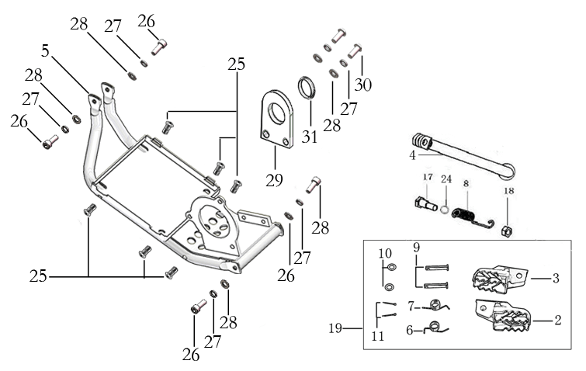
N° | Ref. | Description | Français | Picture | Qty/Bike | MODEL
19 | YC50-0902/04 | Steel set of foot pegs 50cc Grey 2020 | jeu repose pied acier 50cc Gris 2020 |  | 1 | 50A21/50E21
6 | YC110-09-01 | Spring for right steel foot peg d1.5mmxd16.5mmx10mm | ressort repose pied droit acier d1.5mmxd16.5mmx10mm |  | 1 | 50A1222/50E1622/W88E1822/S88SE1522/L881722/L1251622/S12522/S125S1522/S125SE1522/P1251322/P1502122/SM1252122/SM1502122/B1252122/B1502122
7 | YC110-09-02 | Spring for left steel foot peg d1.5mmxd16.5mmx10mm | ressort repose pied gauche acier d1.5mmxd16.5mmx10mm |  | 1 | 50A2122/50E2122/W88E2122/S88SE2122/L882122/L1252122/S12522/S125S1522/S125SE1522/P1252122/P1502122/SM1252122/SM1502122/B1252122/B1502122
9 | GB882-d8x40-W | shaft pin for steel footpegs d8mmx40mm | axe repose pied acier d8mmx40mm |  | 2 | 50A2122/50E2122/W88E2122/S88SE2122/S882122/L882122/L1252122/S125S1322/S125SE1522/S12522/SM1251322
10 | GB97-d8-W | flat washer for shaft pin for steel footpegs d8mmxd16mmx1mm | rondelle pour axe repose pied acier d8mmxd16mmx1mm |  | 2 | ALL BIKES 1122
11 | GB91-d2x25-W | Cotter pin for shaft pin for steel footpegs d2.0mmx25mm | goupille pour axe repose pied acier d2.0mmx25mm |  | 2 | ALL BIKES 1322
4 | YC50-210 | Kick stand L=210mm 2020 | Bequille L=210mm 2020 |  | 1 | 50A22/50E22
17 | FB02-M10x1.5x30I | Stepped screw M10x35mm for kick stand (step 1.5) | vis bequille M10x35mm (pas1.5) |  | 1 | 50A1422/50E1622/W88E1822/S88SE1522/L881722/L1251622/S12522/S125S1422/S125SE1522/P1251422/P1501422/SM1251422/SM1501422/B1251722/B1501722/BF1501719/BFD1901722/BFZ1901822/S1471922/S1871822
18 | GB6170-M10-G | HEXAGON Nut M10 | Ecrou HEXAGONAL M10 |  | 1 | ALL BIKES2122(BUTSP1/SP2/SP3)
...
5 | YC50-224-02 | Motor aluminium skid plate 50E | Sabot moteur - Baterie YCF50E Aluminium |  | 1 | 50E1622
26 | BT08-M8x22-W | Hex.Bolt M8x22mm | vis M8x22mm pour fixation sabot moteur |  | 4 | 50E2122
27 | GB97-d8-W | flat washer d8mmxd16mmx1mm for skid plate fixation | rondelle d8mm pour fixation sabot moteur |  | 4 | ALL BIKES 1122
28 | GB93-d8-W | Standard spring washer d8 for skid plate fixation | rondelle d8 pour fixation sabot moteur |  | 4 | ALL BIKES 1222
29 | YC50-1632-01 | Right side Motor 50E fixation | Fixation Moteur YCF50E cote droit |  | 1 | 50E1622
30 | GB70.2-M8x22 | screw M8x22mm for Motor 50E fixation | vis M8x22mm pou rFixation Moteur YCF50E |  | 2 | 50E1622
27 | GB93-d8-W | Standard spring washer d8 for Motor 50E fixation | rondelle d8 pou rFixation Moteur YCF50E |  | 2 | 50E1622
31 | YC50-1633-01 | Cushion for Motor fixation right side | Entretoise Maintient moteur cote Droit |  | 1 | 50E1622

Swing Arm assy
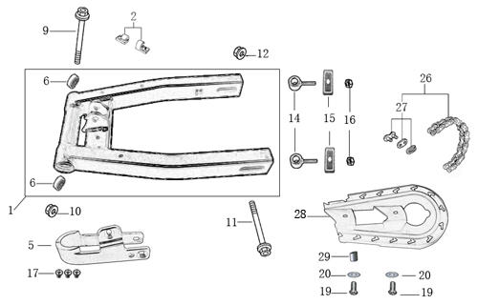
N° | Ref. | Description | Français | Picture | Qty/Bike | MODEL
1 | YC50-10014-01 | YCF50 Mono swing arm BLACK L=290mm d12mm | Bras oscillant mono YCF50 NOIR L=290mm d12mm |  | 1 | 50A22/50E22
2 | YC110-10-015-BK | Rear brake hose guide 2020 | Passe durite de frein arriere sur bras oscillant 2020 |  | 1 | ALL BIKES 22
17 | DIN7985-M6x16 | Screw M6x16mm | Vis M8x16mm |  | 2 | ALL BIKES 22
5 | YC50-10-01 | YCF Chain slider 50cc | patin chaine YCF 50cc |  | 1 | 50A1222/50E1622
 | GB819-M6x16-W | Countersunk cross head machine screw M6x16mm | Vis à tête fraisée plate cruciforme M6x16mm |  | 3 | ALL BIKES 1322
6 | 6001/28-12-08 | Swing arm ball bearing 6001 d12mmxd28mmx8mm | roulement bras oscillant 6001 d12mmxd28mmx8mm |  | 2 | 50A1222/50E1622/W88E1822/L881722/L1251622/S12522/S125SE1522/S88SE1522/SM1251022
9 | YC110-10-034 | Swing arm shaft with self lock nut M12 L=192mm | axe bras oscillant d10 avec ecrou M12 L=192mm |  | 1 | 50A22/50E22/W88E22/F88s1322/F88se1522/F125L22/F1251322/F125s1322/F125se1522/SM125s1322
11 | YC50-11-02 | YCF50 Rear wheel axle M12x215mm with Self locking nut M12 | axe roue arriere YCF50 L=215mm avec ecrou d12mm |  | 1 | 50A1322/50E1622
10 | GB6187-M12-W | HEXAGON FLAT FLANGE LOCK NUT M12 | Ecrou HEXAGONAL avec Flange autobloquant M12 |  | 2 | 50A1222/50E1622
...
N° | Ref. | Description | Français | Picture | Qty/Bike | MODEL
 | YC50-0503-06 | Front Brake lever YCF50A / 50E（left side）2020 | Levier frein avant pour YCF50A / 50E (côté gauche) 2020 |  | 1 | 50A22/50E22
3 | YC50-1203-03 | YCF50 Rear brake steel line L=1070mm d8mm/d8mm 50A/50E2120 | Durite frein arriere L=1070mm 50A/50E d8mm/d8mm 2020 |  | 1 | 50A22/50E22
6 | YC50-0506-02 | YCF50 Front / Rear Brake pads 2020 | Jeu plaquette avant / arriere YCF50 2020 |  | 2 | 50A22/50E22
6 | GB70-M5x16 | Hex. Bolt M5x16mm | Vis M5x16mm |  | 2 | 50A22/50E22
7 | GB8752-M6x28-G | Hex head screw M6x28mm with step d8mmx14mm | Vis M6x28 M6x28mm avec epaulement d8mmx14mm |  | 1 | 50A22/50E22
8 | GB6189-M6-W | Cltch Self-lock Nut M6 | Ecrou M6 |  | 1 | 50A22/50E22
9 | YC50-120101-03 | Rear brake bracket YCF50A/50E (left side) 2020 | Patte fixation étrier frein arriere YCF50A/50E (côté gauche)2020 |  | 1 | 50A22/50E22
12 | YC50-0555-01 | Screw for front brake pads L=28mm Army | Vis plaquette frein avant L=28mm |  | 2 | 50A22/50E22

Seat & Plastic kit
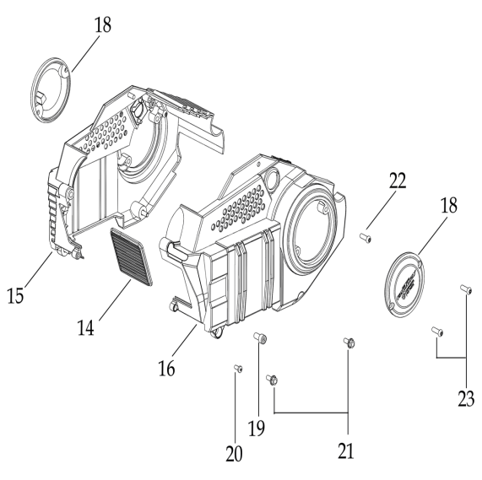
N° | Ref. | Description | Français | Picture | Qty/Bike | MODEL
1 | YC50-1401-05 | YCF50 Seat assy L=425mm | Selle YCF50L=425mm |  | 1 | 50A1622/50E1622
2 | YC50-14-012-RD | YCF Rear fender 50CC RED | Garde boue arrière YCF 50CC ROUGE |  | 1 | 50A1221/50E1621
3 | YC50-14-022-RD | YCF right side plasticRED 50CC | plaque latérale droite YCF 50CC ROUGE |  | 1 | 50A1221/50E1621
4 | YC110-14-03 | Cushion for right side plastic BLACK | caoutchouc plaque laterale droite NOIR |  | 1 | ALL BIKES
5 | YC50-14-042-RD | YCF Left side plastic RED 50CC | Plaque latérale gauche YCF 50CC ROUGE |  | 1 | 50A1221/50E1621
6 | YC50-1407-BK | YCF Right BLACK, 2022 | Ouie radiateur droite YCF 50CC NOIR, 2022 |  | 1 | 50A1221/50E1621
7 | YC50-1406-BK | YCF Left side BLACK 50CC, 2022 | Ouie radiateur gauche YCF 50CC NOIR, 2022 |  | 1 | 50A1221/50E1621
8 | GB845-ST4.8x16-G | Pan Head Cross Tapping Screw ST4.8x16mm | Vis taraudeuse à tête ronde cruciforme ST4.8x16mm |  | 9 | 50A1122/50E1622/W88E1822/S88SE1422/L881722/L1251622/S125S1222/S125SE1522/S12522/P1251322/P1501222/SM1251222/SM1501222/SP11222/SP22122/SP31422
9 | BT08-M6x20-W | HEXAGON Torx screw with Flange M6x20mm | Vis HEXAGONALE Torx avec Flange M6x20mm |  | 2 | ALL BIKES 1322
...
16 | YC50-1427-02 | Plastic for Motor Left 50E Black | Caisson Plastique Gauche YCF50E Noir |  | 1 | 50E1622
14 | YC50-1425-01 | Plastic for Motor Front 50E Black | Plaque Plastique Caisson avant Noir |  | 1 | 50E1622
18 | RCSC-BK | Right crankcase small Cover 88/125 BLACK | DEMI CARTER EMBRAYAGE NOIR 88/125 |  | 2 | 50E1622/W881822
22 | GB70.2-M6x22 | Plus screw M6x22mm for Right crankcase small Cover | vis M6x22mm pour fixation demi carter embrayage |  | 4 | 50E1622/W88E1822/S88SE1522/L881722/L1251622/S125SE1522/S12522/S125S1322/P1251322/SM1251322/B1251722
 | GB70-M5x12 | HEXAGON SOCKET Head Bolt with half thread M5x12mm | Vis Allen (BTR) avec deport M5x12mm |  | 1 | 50E23
 | GB70-M8x16 | HEXAGON SOCKET Head Bolt with half thread M8x16mm | Vis Allen (BTR) avec deport M8x16mm |  | 1 | 50E23
19 | BT08-M6x10-W | HEXAGON Torx screw with Flange M6x10mm | Vis HEXAGONALE Torx avec Flange M6x10mm |  | 2 | 50A1222/50E1622
22 | BT08-M6x16-W | HEXAGON Torx screw with Flange M6x16mm | Vis HEXAGONALE Torx avec Flange M6x16mm |  | 4 | 50E1622

ELECTRIC
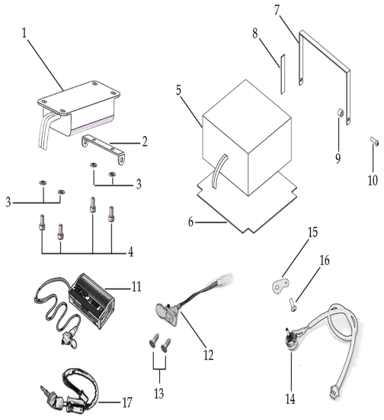
N° | Ref. | Description | Français | Picture | Qty/Bike | MODEL
1 | YC50-1521-01 | Controller XK-033 48V 35A 1200w | Controlleur XK-033 48V 35A 1200w |  | 1 | 50E1622
 | YC50-1627-01 | Motor Support Plastic | Support Controlleur |  | 1 | 50E1621
 | BT08-M6x12-W | Hex.Bolt M6x12mm | Vis M6x12mm |  | 4 | 50E23
5 | YC50-1511-01 | Lithium battery 10A 48V 166mmx15mm7x92mm | Batterie Lithium 10A 48V 166mmx157mmx92mm |  | 1 | 50E1622
6 | YC50-1523-02 | Battery protection 50E | Maintient mousse batterie |  | 1 | 50E1622
7 | YC50-1508-02 | Battery fixation 50E | Fixation Batterie |  | 1 | 50E1622
8 | YC50-1534-01 | Rubber Battery fixed 12mmx80mmx2mm | Caoutchouc pour maintient batterie 12mmx80mmx2mm |  | 5 | 50E1622
9 | FB13-6x12x9-W | Battery holder spacer d6mmxd12mmx9mm | Entretoise Maitient Batterie d6mmxd12mmx9mm |  | 2 | 50E1622
10 | BT08-M6x20-W | Hex.Bolt M6x20mm | Vis M6x20mm |  | 2 | 50E23
11 | YC50-1514-02 | Charger YCF50E (Europe) | Chargeur Batterie YCF50E (Europe) |  | 1 | 50E1622
12 | YC50-1513-01 | Charge plug 50E L=180mm | Prise Chargeur YCF50E L=180mm |  | 1 | 50E1622
13 | GB846-ST2.9x10-W | Screw ST d2.9mmx9.5mm for charger plug | Vis ST d2.9mmx9.5mm pour prise chargeur |  | 2 | 50E1622
14 | YC50-1544-01 | Potentiometer L=170mm | Potentiometre L=170 mm |  | 1 | 50E1622
15 | YC50-1545-01 | Locking piece for Speed governor L=16.5mm for potentiometer fixation | Piece Acier L=16.5mm pour fixation potentiometre |  | 1 | 50E1622
16 | GB818-M6x16-W | Plus screw M6x16mm for potentiometer fixation | Vis M6x16mm pour fixation potentiometre |  | 1 | 50A1222/50E1622
17 | YC110-0021-02 | Key contactor Waterproof | Contacteur a cle etanche |  | 1 | 50A1822/50E1822/W88E1822/S88SE1822/S125SE1822/BFZ1901822
17 | YC110-1531-04 | Key contactor bracket YCF50A/YCF50E Black | Support contacteur a cle YCF50A/YCF50E Noir |  | 1 | 50A1822/50E1822

Frame
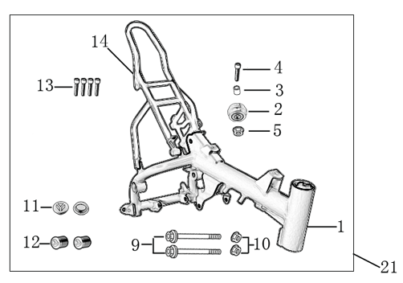
N° | Ref. | Description | Français | Picture | Qty/Bike | MODEL
22 | YC50-1621-06-BK | Complète frame 50E 2022 BLACK for KRDIRECTION46, STEERING STEM 25° ANGLE | cadre complet 50E 2022 NOIR pour KRDIRECTION46, ANGLE POTENCE 25° |  | 1 | 50E23
1 | YC50-173-03-BK | Frame 50E 2022 BLACK for KRDIRECTION46, STEERING STEM 25° ANGLE | Cadre SEUL 50E 2022 NOIR pour KRDIRECTION46, ANGLE POTENCE 25° |  | 1 | 50E23
 | YC110-01-08-BK | Cable tie ADJUSTABLE BLACK | Collier maintien cable AJUSTABLE NOIR |  | 1 | ALL BIKES 22
1 | YC50-2202 | Tensioner bracket assembly 50E | Ensemble support de tension50E |  | 1 | 50E2022
 | YC50-2201-04 | YCF Chain tensioner component Nylon d40mmxd35mmx23mm（Middle 4.5mm) | Roulette chaine YCF d40mmxd35mmx23mm (Milieu 4.5mm) Nylon |  | 1 | 50E22/88E22
 | 6900Z | Ball bearing 6900Z d10mmxd22mmx6mm for chain tensioner | 6900Z d10mmxd22mmx6mm pour roulette de chaine |  | 2 | 50A1222/50E1622
4 | BT08-M8x50-W | Exterior Hex.Bolt M8x50mm | vis couronne M8x50mm |  | 1 | ALL BIKES
1 | YC50-2022-01 | Tensioner bracket assembly 50E | Ensemble support de tension 50E NOIR |  | 1 | 50E23
3 | GB6187-M10-1.5-W | HEXAGON FLAT FLANGE LOCK NUT M10-1.5 | Ecrou HEXAGONAL avec Flange autobloquant M10-1.5 |  | 1 | ALL BIKES
...

